AlarmReport
Go To List | Message Spec

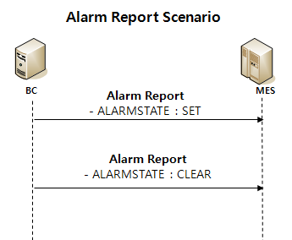
Message
AlarmReport | Complete | <MESSAGE> <HEADER> <MESSAGENAME>AlarmReport</MESSAGENAME> <TRANSACTIONID>201611101145096</TRANSACTIONID> <REPLYSUBJECTNAME /> <INBOXNAME /> <LISTENER>PEMListener</LISTENER> </HEADER> <BODY> <LINENAME>TCELA100</LINENAME> <MACHINENAME>TCELA10B</MACHINENAME> <UNITNAME>TCELA10R</UNITNAME> <ALARMCODE>JJH_180418</ALARMCODE> <ALARMLEVEL>W</ALARMLEVEL> <ALARMSTATE>SET</ALARMSTATE> <ALARMTEXT>JJH_ALARM_REPORT_TEST</ALARMTEXT> <ITEMSTAMP></ITEMSTAMP> <LANGUAGE>English</LANGUAGE> <TRANSACTIONSTARTTIME>2016-10-10 10:01:46.115</TRANSACTIONSTARTTIME> </BODY> <RETURN> <RETURNCODE>0</RETURNCODE> <RETURNMESSAGE /> </RETURN> </MESSAGE> |  | Alarm
 |  |  |  | Name | By | When | API | ALARMID | ALARMTIMEKEY | ALARMTYPE | ALARMLEVEL | DESCRIPTION | USERMESSAGE | LASTEVENTNAME | LASTEVENTTIMEKEY | LASTEVENTTIME | LASTEVENTUSER | LASTEVENTCOMMENT | LASTEVENTFLAG | ALARMSTATE | LOTNAME | MACHINENAME | REASONCODETYPE | REASONCODE | AREANAME | REASONCATEGORY | REASONTYPE | DETAILREASON | REFORM | ALID | PRODUCTNAME | SPCCONTROLSPECNAME | SPCITEMNAME | SPCCHARTNAME | SPCCONTROLRULENAME | LOTHOLD | MACHINEHOLD | FACTORYNAME
 |  |  |  | AlarmReport |  |  |  | TCELA10R_JJH_180418 | 20180418190341335000 | MachineAlarm | Light |  | JJH_ALARM_REPORT_TEST | AlarmReport | 20180418190341336000 | 04/18/2018 | TCELA100:PEXsvr1 |  | N | SET |  | TCELA100

BPEL | AlarmReport
Seq |  | Validation
1 | checkMachineName() | unitName - message.MachineName subUnitName - message.UnitName TMPOLICY, POSAVAILABLEALARMDEF 테이블에서 데이터 조회 (AlarmCode = message.AlarmCode or AlarmCode = 'ALL') | Return Value
2 Switch | case | ★ isResult != true - TERMINATE ★ isResult = true - Pass | isResult = true (데이터 O) or inResult = False (데이터 X)
3 | validateAlarmState() | 설비에서 보고한 Alarm State가 MES에서 허용하는 값이 아닌 경우 업데이트를 하지 않기 위해 비교 - SET, CLEAR
4 Switch | case | ★ isValidAlarmState = false - Throw ★ isValidAlarmState = ture - Pass | isValidAlarmState = true (허용값 O) or isValidAlarmState = false (허용값 X)
5 | validateAlarmLevel() | 설비에서 보고한 Alarm Level이 MES에서 허용하는 값이 아닌 경우 업데이트를 하지 않기 위해 비교 - W, A
6 Switch | case | ★ isValidAlarmLevel = false - Throw ★ isValidAlarmLevel = true - Pass | isValidAlarmLevel = true (허용값 O) or isValidAlarmLevel = false (허용값 X)
 | changeAlarmLevel() | 설비에서 보고한 AlarmLevel과 MES에서 사용하는 AlarmLevel의 값이 다른 형식이므로 변환 (ConstantMap에서 매칭되는 데이터 Return) - alarmLevel = W 일 경우 Return getConstantMapExtends().Alarm_Light - alarmLevel = A 일 경우 Return getConstantMapExtends().Alarm_Light - else Return Null
 | getRegisterAlarmId() | ubUnitName -> UnitName -> MachineName 순으로 우선순위를 판단하여 AlarmID를 구성 | alarmLevel (getConstantMap.Alarm_Light, Alarm_Serious, Null)
 | getAlarmTimeKey() | TimeKey를 생성 | registerAlarmId
7 Switch | case 7.1 | Message.alarmState = constantMap.Alarm_Set 일 경우 setAlarm(), Alarm Data Update | alarmTimeKey
 | case 7.2 | Message.alarmState = constantMap.Alarm_Clear 일 경우 setClear(), Alarm Data Update
8 | getMachineAlarmCountByMachine() | Alarm 테이블에서 해당 MachineName과 ALARMTYPE='MachineAlarm'으로 데이터 rowCount 조회
9 Switch | case | Message.alarmState = constantMap.Alarm_Set 이고 alarmCount = 1이거나 (알람 존재) Message.alarmState = constantMap.Alarm_Clear 이고 alarmCount = 0일 경우 (알람 존재 x) | alarmCount
 | createAlarmReport() | CFMsvr에 send할 AlarmReport 생성
 | sendBySender() | CFMsvr에 Messge Send | xml.CFMMessage

Issue
Seq |  | Validation
1 |  | POSAVAILABLEALARMDEF - 데이터 없음(추가함)
2
3

MachineControlStateChanged
Go To List | Message Spec

Message |  |  |  | Machine
MachineControlStateChanged | Complete | <MESSAGE> <HEADER> <MESSAGENAME>MachineControlStateChanged</MESSAGENAME> <TRANSACTIONID>201611101145096</TRANSACTIONID> <REPLYSUBJECTNAME /> <INBOXNAME /> <LISTENER>PEMListener</LISTENER> </HEADER> <BODY> <LINENAME>TCELA100</LINENAME> <CONTROLSTATENAME>OFFLINE</CONTROLSTATENAME> <ITEMSTAMP /> <LANGUAGE>English</LANGUAGE> <TRANSACTIONSTARTTIME>2018-04-19 16:38:34.296</TRANSACTIONSTARTTIME> </BODY> <RETURN> <RETURNCODE>0</RETURNCODE> <RETURNMESSAGE /> </RETURN> </MESSAGE> |  | Name | By | When | API | MACHINENAME | FACTORYNAME | AREANAME | SUPERMACHINENAME | MACHINEGROUPNAME | PROCESSCOUNT | RESOURCESTATE | E10STATE | COMMUNICATIONSTATE | MACHINESTATENAME | MACHINEEVENTNAME | LASTEVENTNAME | LASTEVENTTIMEKEY | LASTEVENTTIME | LASTEVENTUSER | LASTEVENTCOMMENT | LASTEVENTFLAG | REASONCODETYPE | REASONCODE | MACHINEHOLDSTATE | SAMPLECOUNT | TOTALCAPACITY | USEDSHELFCOUNT | EMPTYSHELFCOUNT | LIFTMODE | LINEOPERMODE | BLOCKEDEMPTYSHELFCOUNT | MACHINERECIPENAME | CSTOPERMODE | QTAPTYPE | QTAPFLAG | INDEXEROPERMODE | CHANGER | LATESTOWNERID | OPITRANSFERPIORITY | DSPTRANSFERPIORITY | ZONEALARMSTATE | NEEDALARM | SRCOPITRANSFERPIORITY | SRCDSPTRANSFERPIORITY | INSPECTIONMODE | QHVAFLAG | ALARMCODE | ALARMTEXT | ALARMTIMESTAMP | LINKEDMACHINENAME | SHORTCUTFLAG | MAXQUANTITY | MIXEDCHAMBERFLAG | CONTROLSITE | MACHINEENABLE | SHAREDFLAG | SHAREDFACTORYNAME | REASONCODEGROUP | SAMPLINGSTARTFLAG | BCPRODUCTGROUPNAME | SETTINGFLAG | OPERATOR | LINKPROCESSRESULT | SAMPLERATIO | OVERRESULT | FACILITYCHECKRESULT | FACILITYCHECKCOMMENT | LOGINUSERID | LASTCHANGESTATETIME | LASTIDLETIME | IP
Reply | Complete | <MESSAGE> <HEADER> <MESSAGENAME>MachineChangeCommunicationState</MESSAGENAME> <TRANSACTIONID>20180419163835000014</TRANSACTIONID> <REPLYSUBJECTNAME /> </HEADER> <BODY> <MACHINENAME>TCELA100</MACHINENAME> <COMMUNICATIONSTATE>OffLine</COMMUNICATIONSTATE> <EVENTUSER>TCELA100</EVENTUSER> <EVENTCOMMENT /> </BODY> <RETURN> <RETURNCODE>0</RETURNCODE> <RETURNMESSAGE /> </RETURN> </MESSAGE> |  |  |  |  |  | TCELA100 | ARRAY | TCSTK100 |  | ELAGROUP | 0 | InService | StandBy | OnLineRemote | IDLE | ED_D-IDLE | MachineChangeState | 20160922142403574000 | 09/22/2016 | 27835:CNXsvrEDU | 1 | N |  |  | NotOnHold |  |  |  |  |  |  |  |  | CTOC |  |  |  |  |  |  |  |  |  |  |  |  | N |  |  |  |  |  | 0 |  | T3 |  |  |  |  |  |  |  |  |  |  |  |  |  | 1 | 09/22/2016 | 07/15/2016
 |  |  |  | MachineControlStateChanged |  |  | getMachineService().makeCommunicationState | TCELA100 | ARRAY | TCSTK100 |  | ELAGROUP | 0 | InService | StandBy | OffLine | IDLE | ED_D-IDLE | MachineChangeCommunicationState | 20180419163834458000 | 04/19/2018 | TCELA100:PEXsvr1 |  | N |  |  | NotOnHold |  |  |  |  |  |  |  |  | CTOC |  |  |  |  |  |  |  |  |  |  |  |  | N |  |  |  |  |  | 0 |  | T3 |  |  |  |  |  |  |  |  |  |  |  |  |  | 1 | 09/22/2016 | 07/15/2016
Control State Scenario(BC->MES)

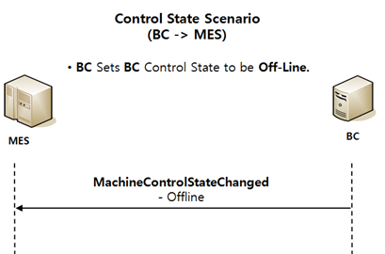

BPEL | MachineControlStateChanged
Seq |  | Validation | Return Value
1 | validateMachineControlState() | 설비에서 보고한 Machine Control State가 MES에서 허용하는 값이 아닌 경우 업데이트를 하지 않기 위해 비교 - REMOTE, OFFLINE, LOCAL | isValidAlarmState = true (허용값 O) or isValidAlarmState = false (허용값 X)
2 Switch | case | isValidateMachineControl = false - Throw
 | otherwise | getMachineData() 한 후 changeMachineControlState()
 | changeMachineControlState() | 한번 더 validateMachineControlState 확인 후 허용값일 경우 (ConstantMap에서 매칭되는 데이터 Return) - machineControlStateName = REMOTE 일 경우 Return getConstantMapExtends().Mac_OnLineRemote(->OnLineRemote) - machineControlStateName = LOCAL 일 경우 Return getConstantMapExtends().Mac_OnLineLocal(->OnLineLocal) - machineControlStateName = OFFLINE 일 경우 Return getConstantMapExtends().Mac_OffLine(->OffLine) - else Return Null | resultControlState
3 Switch | case | currentMachineData.communicationState != resultControlState일 경우(현재 ControlState가 다른 경우)
4 | makeCommunicationState() | communicationState Change
5 | createMachineChangeCommunicationState() | CFMsvr에 send할 AlarmReport 생성 | xml.CFMMessage
6 | sendBySender() | CFMsvr에 Messge Send

Issue
Seq |  | Validation
1
2
3

MachineControlStateChangeReques
Go To List | Message Spec

Message
MachineControlStateChangeRequest | Complete | <MESSAGE> <HEADER> <MESSAGENAME>MachineControlStateChangeRequest</MESSAGENAME> <TRANSACTIONID>201611101145096</TRANSACTIONID> <REPLYSUBJECTNAME>JJH</REPLYSUBJECTNAME> <INBOXNAME /> <LISTENER>PEMListener</LISTENER> </HEADER> <BODY> <LINENAME>TCELA100</LINENAME> <CONTROLSTATENAME>OFFLINE</CONTROLSTATENAME> <LANGUAGE>English</LANGUAGE> <TRANSACTIONSTARTTIME>2018-04-23 09:52:19.819</TRANSACTIONSTARTTIME> </BODY> <RETURN> <RETURNCODE>0</RETURNCODE> <RETURNMESSAGE /> </RETURN> </MESSAGE>

Control State Scenario(MES->BC)
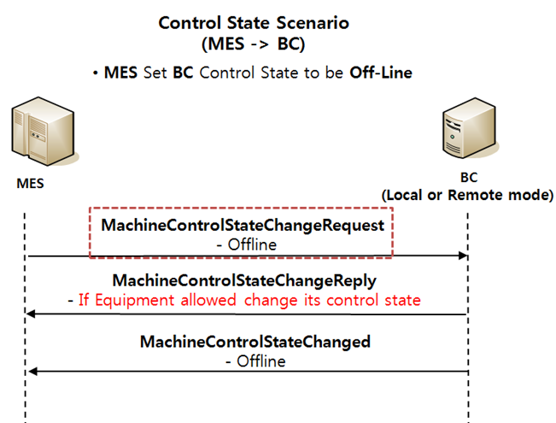

BPEL | MachineControlStateChangeRequest
Seq |  | Validation
1
2
3

Issue
Seq |  | Validation
1 |  | Exception??
2
3

MachineControlStateChangeReply
Go To List | Message Spec

Message |  |  |  | Machine
MachineControlStateChangeReply | Complete | <MESSAGE> <HEADER> <MESSAGENAME>MachineControlStateChangeReply</MESSAGENAME> <TRANSACTIONID>201611101145096</TRANSACTIONID> <REPLYSUBJECTNAME /> <INBOXNAME /> <LISTENER>PEMListener</LISTENER> </HEADER> <BODY> <LINENAME>TCELA100</LINENAME> <CONTROLSTATENAME>REMOTE</CONTROLSTATENAME> <ACKNOWLEDGE>A</ACKNOWLEDGE> <LANGUAGE>English</LANGUAGE> <TRANSACTIONSTARTTIME>2018-04-20 10:52:19.603</TRANSACTIONSTARTTIME> </BODY> <RETURN> <RETURNCODE>0</RETURNCODE> <RETURNMESSAGE /> </RETURN> </MESSAGE> |  | Name | By | When | API | MACHINENAME | FACTORYNAME | AREANAME | SUPERMACHINENAME | MACHINEGROUPNAME | PROCESSCOUNT | RESOURCESTATE | E10STATE | COMMUNICATIONSTATE | MACHINESTATENAME | MACHINEEVENTNAME | LASTEVENTNAME | LASTEVENTTIMEKEY | LASTEVENTTIME | LASTEVENTUSER | LASTEVENTCOMMENT | LASTEVENTFLAG | REASONCODETYPE | REASONCODE | MACHINEHOLDSTATE | SAMPLECOUNT | TOTALCAPACITY | USEDSHELFCOUNT | EMPTYSHELFCOUNT | LIFTMODE | LINEOPERMODE | BLOCKEDEMPTYSHELFCOUNT | MACHINERECIPENAME | CSTOPERMODE | QTAPTYPE | QTAPFLAG | INDEXEROPERMODE | CHANGER | LATESTOWNERID | OPITRANSFERPIORITY | DSPTRANSFERPIORITY | ZONEALARMSTATE | NEEDALARM | SRCOPITRANSFERPIORITY | SRCDSPTRANSFERPIORITY | INSPECTIONMODE | QHVAFLAG | ALARMCODE | ALARMTEXT | ALARMTIMESTAMP | LINKEDMACHINENAME | SHORTCUTFLAG | MAXQUANTITY | MIXEDCHAMBERFLAG | CONTROLSITE | MACHINEENABLE | SHAREDFLAG | SHAREDFACTORYNAME | REASONCODEGROUP | SAMPLINGSTARTFLAG | BCPRODUCTGROUPNAME | SETTINGFLAG | OPERATOR | LINKPROCESSRESULT | SAMPLERATIO | OVERRESULT | FACILITYCHECKRESULT | FACILITYCHECKCOMMENT | LOGINUSERID | LASTCHANGESTATETIME | LASTIDLETIME | IP
Reply | Complete | <MESSAGE> <HEADER> <MESSAGENAME>MachineChangeCommunicationState</MESSAGENAME> <TRANSACTIONID>20180420110430000754</TRANSACTIONID> <REPLYSUBJECTNAME /> </HEADER> <BODY> <MACHINENAME>TCELA100</MACHINENAME> <COMMUNICATIONSTATE>OnLineRemote</COMMUNICATIONSTATE> <EVENTUSER>TCELA100</EVENTUSER> <EVENTCOMMENT /> </BODY> <RETURN> <RETURNCODE>0</RETURNCODE> <RETURNMESSAGE /> </RETURN> </MESSAGE> |  | . |  |  |  | TCELA100 | ARRAY | TCSTK100 |  | ELAGROUP | 0 | InService | StandBy | OffLine | IDLE | ED_D-IDLE | MachineChangeCommunicationState | 20180419163834458000 | 04/19/2018 | TCELA100:PEXsvr1 |  | N |  |  | NotOnHold |  |  |  |  |  |  |  |  | CTOC |  |  |  |  |  |  |  |  |  |  |  |  | N |  |  |  |  |  | 0 |  | T3 |  |  |  |  |  |  |  |  |  |  |  |  |  | 1 | 09/22/2016 | 07/15/2016
 |  |  |  | MachineControlStateChangeReply |  | ACKNOWLEDGE='A' | getMachineService().makeCommunicationState | TCELA100 | ARRAY | TCSTK100 |  | ELAGROUP | 0 | InService | StandBy | OnLineRemote | IDLE | ED_D-IDLE | MachineChangeCommunicationState | 20180420110429911000 | 04/20/2018 | TCELA100:PEXsvr1 |  | N |  |  | NotOnHold |  |  |  |  |  |  |  |  | CTOC |  |  |  |  |  |  |  |  |  |  |  |  | N |  |  |  |  |  | 0 |  | T3 |  |  |  |  |  |  |  |  |  |  |  |  |  | 1 | 09/22/2016 | 07/15/2016
Control State Scenario(MES->BC)


 |  | TCELA100

BPEL | MachineControlStateChangeReply
Seq |  | Validation | Return Value
1 | getConstantDefsMap()
2 Switch | case | Message.acKnowLedge = constantMap.Ack_Already 인 경우(ACKNOWLEDGE = 'A')
 | validateMachineControlState() | 설비에서 보고한 Machine Control State가 MES에서 허용하는 값이 아닌 경우 업데이트를 하지 않기 위해 비교 - REMOTE, OFFLINE, LOCAL | isValidAlarmState = true (허용값 O) or isValidAlarmState = false (허용값 X)
3 Switch | case | isValidateMachineControl = true 인 경우 getMachineData() -> changeMachineControlState()
 | changeMachineControlState() | 한번 더 validateMachineControlState 확인 후 허용값일 경우 (ConstantMap에서 매칭되는 데이터 Return) - machineControlStateName = REMOTE 일 경우 Return getConstantMapExtends().Mac_OnLineRemote (->OnLineRemote) - machineControlStateName = LOCAL 일 경우 Return getConstantMapExtends().Mac_OnLineLocal (->OnLineLocal) - machineControlStateName = OFFLINE 일 경우 Return getConstantMapExtends().Mac_OffLine (->OffLine) - else Return Null | resultControlStateName
4 Switch | case | DB상의 데이터와 Messge.ControlStateName 비교 currentMachineData.communicationState != resultControlStateName 경우
 | makeCommunicationState() | communicationState Change
 | createMachineChangeCommunicationState() | CFMsvr에 send할 AlarmReport 생성
 | sendBySender() | CFMsvr에 Messge Send

Issue
Seq |  | Validation
1 |  | ACKNOWLEDGE가 A인 경우만 DB Update. 이경우 BC에서 MachineControlStateChanged를 보내지 않기 때문에 자체적으로 update 해야함.
2 |  | ACKNOWLEDGE = [Y | N | A] - Y : accepted - N : Not accepted - A : Already in requested state
3

ControlStateScenario(MES->BC)
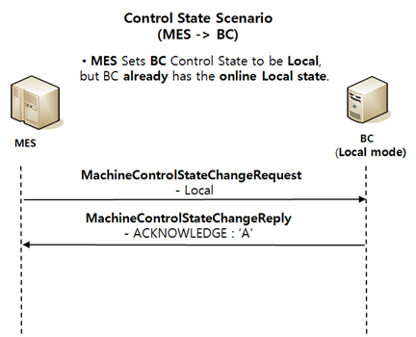
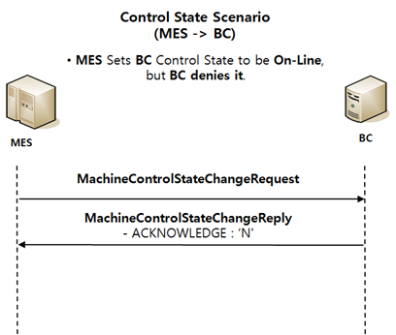
Go To List
 | Control State Scenario (MES -> BC)

1. MES Set BC Control State to be On-Line |  | 2. MES Set BC Control State to be Off-Line
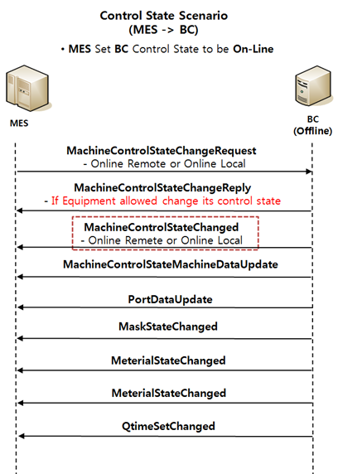
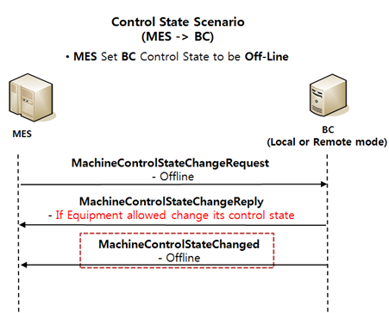

3. MES Sets BC Control State to be Remote mode from Local |  | 4. MES Sets BC Control State to be Local mode from Remote | 5. MES Sets BC Control State to be Remote, but BC already has the online Remote state.
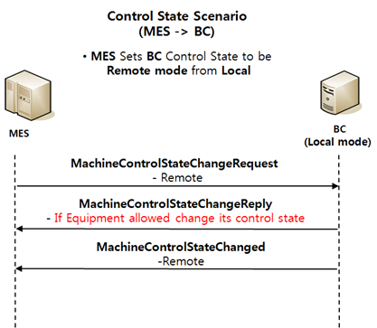
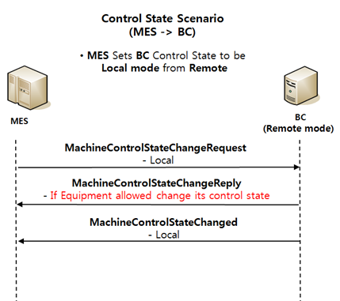
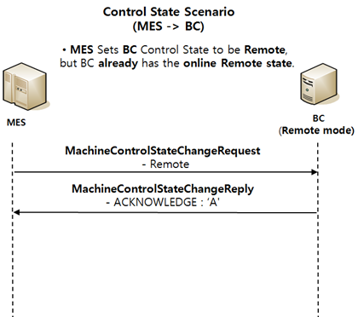

6. MES Sets BC Control State to be Local, but BC already has the online Local state. |  | 7. MES Sets BC Control State to be On-Line, but BC denies it.

ControlStateScenario(BC->MES)
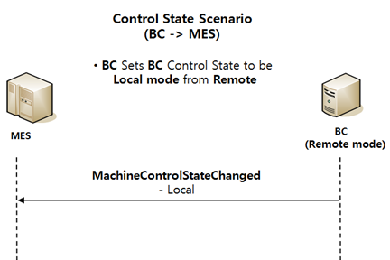
Go To List
 | Control State Scenario (BC -> MES)

1. BC Sets BC Control State to be Off-Line. |  | 2. BC Sets BC Control State to be Remote mode from Local | 3. BC Sets BC Control State to be Local mode from Remote

